MIS Requirement
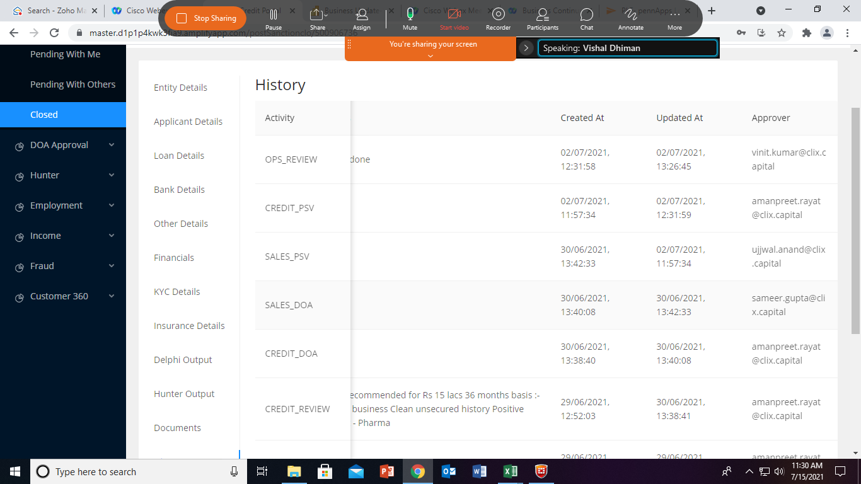
Portal_ID | LOS_Number | Branch_Name | Applicant_Name | Constitution | Customer_priority | Clix_Sales_Manager_Name | Channel_Name | Product_Name | Partner | Assessment_Program_Type | Applied_Amount | Login_Sales_Date_and_Time | Login_CAMS_Date_and_Time | Credit Login Date | Login Sales to Credit Login TAT (In Days) | Dedupe Completion TAT (in Days) | Sales Query Resolution (In Hours) | Login FTR Flag | Credit_Manager_Name | Recommendation_Date_and_Time | Credit Reco TAT -exclusive of Sales Query Resolution(In Days) | Approver TAT | Credit Approver TAT | Sales Approver TAT | Credit_Decision_Status | First_Credit_Decision_Date_and_Time | Reject_Code | Rejection_Reason | Final_Sanctioned_Loan_Amt | Credit Decision TAT | Grace Period (Months) | Tenor (In Months) | Advance EMI | Existing LAN | Clix Existing Exposure | Total Exposure | Relook | Nature_Of_Business | Industry | Segment | Product | Loan_Amount_With_Insurance | Loan_Amount_Without_Insurance | Sanction to "Disbursal login" TAT | "Disbursal login" to "Final Disbursement TAT" | Disbursement Query Resolution | Credit Login to Disbursal TAT (In Days) | Sanction to Disbursal TAT (In Days) | Disbursal_Date_and_Time | Login to Disbursal TAT (In Days) | Fund_Out_Date | Disbursal to Fund Out TAT | Final_Disbursed_Loan_Amt | Current_State_Of_File | Current_State_User | Final_Status_Of_Case | CMR | No_Of_Employee | Pos_As_On_29_Feb | Total_Group_Exposure_Including_ECLGS | Credit_Approval_Authority_Name | Sales_Approval_Authority_Name | MSME_Classification | Whether Entity is an importer? | If yes, How much import contributes to overall purchases (%) | Whether Entity is an exporter? | If yes, How much export contributes to overall purchases (%) | IEC Code | Deviation 1 | Deviation 2 | Deviation 3 | Deviation 4 | Deviation 5 | Highest_Deviation_Level | Change_In_Any_Demographics_From_Exisiting_LAN | Turnover_Declared | Highest_DPD_Reported_In_Cibil | Morat_Taken | Mobile_No_Entity | Email ID_Entity | PAN_No_Entity | GSTN_No | Date_Of_Incorporation | Corporate Identity Number (CIN) | Office Address | Guarantee_Number | Applicant_CibilScore | Co App 1 Full Name | Co App 1 DOB | Co App 1 Relation | Co App 1 PAN No | Co App 1 Mobile No | Co App 1 Email ID | Co-App 1 Address | Co App 2 Full Name | Co App 2 DOB | Co App 2 Relation | Co App 2 PAN No | Co App 2 Mobile No | Co App 2 Email ID | Co App 2 Address | Co_Appl_CibilScore_1 | Co_Appl_CibilScore_2 | Co_Appl_CibilScore_3 | Co_Appl_CibilScore_4 | Co_Appl_CibilScore_5 | Co_Appl_CibilScore_6 | Co_Appl_CibilScore_7 | Co_Appl_CibilScore_8 | Co_Appl_CibilScore_9 | Co_Appl_CibilScore_10 | Co_Appl_CibilScore_11 | Processing_Fee | Rate_Of_Interest | Insurance Flag | Insurance Premium (In Rupees) | Sum Insured | Insurance as a percentage of sanction Amount | Bank Name | Account Type | Account No | IFSC Code | Account Holder Name | OTC Flag | OTC Document 1 | OTC Document 2 | OTC Document 3 | OTC Current Status | OTC Ageing Days | OTC Completition Date
500906736 | SDEBUSI000028197 | CLIX_DELHI | AD ENTERPRISES | Proprietorship |  | Ujjwal Anand | CHASE FLY | BL | DSA | BL - Banking Programme | 2000000 | 24-Jun-21 | 30-Jun-21 |  |  |  |  | Yes/No | Amanpreet Singh Rayat | 30-Jun-21 |  |  |  |  | DISBURSED | 30-Jun-21 |  |  | 1500000 |  |  |  |  |  |  |  | No | Trading | Drug Stores |  |  | 1509487 | 1500000 |  |  |  |  |  | 2-Jul-21 |  | 2-Jul-21 |  | 1464376 | OPS_REVIEW |  | Disbursed | 3 | 8 | 0 | 1500000 | Amanpreet Singh Rayat | Sameer Gupta |  | Yes/No | Dropdown on LAAS | Yes/No | Dropdown on LAAS | LAAS |  |  |  |  |  |  | No | 50800000 | " | " | 7906627107 |  | CRAPA5101R |  | 2018-08-11 | U23134456 | GALI NO - 2,BYPASS ROAD,SHIVPURI VIJAY NAGAR |  | 745 |  |  |  |  |  |  |  |  |  |  |  |  |  |  | 745 |  |  |  |  |  |  |  |  |  |  | 2 | 19 |  |  |  | 56%
 |  |  |  |  |  |  |  |  |  |  |  |  |  | Logic: Date & Time once case moves to Dedupe Que | Logic: Difference between credit login date (Dedupe) & Login Sales Date | Logic:- Difference between Dedupe start date /time and dedupe complete date / time | Logic: Number of hours the case was in Sales Review between Credit Login and Recommendation Date |  |  |  | Logic: Difference between recommendation & Credit login (exclusive of query resolution | Logic: Difference between Recommendating date and Approval Date by Recommender (Credit+Portal) |  |  |  | All Dates to populated correctly, including rejected cases |  |  |  | Logic: Difference between First Credit Decision Date and Time and Credit Login Date (Net of query resolution TAT, excluding period in which the case was reject rque) |  |  |  |  |  | Logic: Addition of Clix Existing Exposure + Final Sanction Loan Amount |  |  |  | Logic: Refer Entity Screenshot from LAAS (Sheet: Entity Details) | Logic: Refer Entity Screenshot from LAAS (Sheet: Entity Details) |  |  | Logic: '1st time Sales PSV Creation' minus First Operations Maker start Date & Time | Logic: Ops Maker login date to Ops Review Completion Date and time | Logic: Number of hours the case was in Credit or Sales PSV after moving to First Operations Maker start Date & Time | Logic: Disbursal Date minus Credit Login Date | Logic: Disbursal Date minus First Credit Decision Date |  | Logic: Disbursal Date minus Login Sales Data |  | Logic: Difference between Fund Out date and time and Disbursal Date and Time | Heading to be changed from "Final_Disbursed_Loan_Amt" to Fund Out Amt |  | Logic: Current State of File User (Name) |  |  |  |  |  |  |  |  |  |  |  |  |  | Refer Other Details Screenshot |  |  |  |  | Note: This field is not getting populated, even though data is available |  |  |  |  | Heading to change to Mobile_No_Entity |  | Heading to change to PAN_No_Entity |  | Format to be: DD/MM/YYYY | Refer Entity details screenshot | Refer Entity Details screensot |  |  |  | Format: DD/MM/YYYY |  |  |  |  |  |  | Format: DD/MM/YYYY |  |  |  |  |  |  |  |  |  |  |  |  |  |  |  |  |  |  | Yes/No |  |  | Logic: Insurance premium/sanction amount *100 | Logic: Refer Bank Details Screenshot (Bank Details Sheet) |  |  |  |  | Yes/No | Logic: To flow from LAAS/Pennant |  |  | Pending/Complete | Logic: Current Date- Disbursal Date | Logic: Date in DD/MM/YYYY
Existing Fields |  |  |  |  |  |  |  |  |  |  |  |  |  |  | 1 | 2 | 3 |  |  |  | 4 | 5 | 6 | 7 | Bifurcate Sales/ Credit Reject Cases | 1st Approval date to be considered |  |  |  | 8 |  |  |  |  |  |  |  |  |  |  |  |  |  | 9 | 10 | 11 | 12 | 13 |  | 14 |  | 15 |  |  |  |  |  |  |  |  |  |  |  |  |  |  |  |  |  |  |  |  |  |  |  |  |  |  |  |  |  |  |  |  |  |  |  |  |  |  |  |  |  |  |  |  |  |  |  |  |  |  |  |  |  |  |  |  |  |  |  |  |  |  |  |  |  |  |  |  |  |  |  |  |  |  |  | 16
New Fields to be added |  |  |  |  |  |  |  |  |  |  |  |  |  |  |  |  |  |  |  |  |  |  |  |  |  | If relook deal, then we have to exclude rejection TAT
Delete Field |  |  |  |  |  |  |  |  |  |  |  |  |  |  | ** Weekend to be excluded for TAT calculations
Sample Data

Entity Details
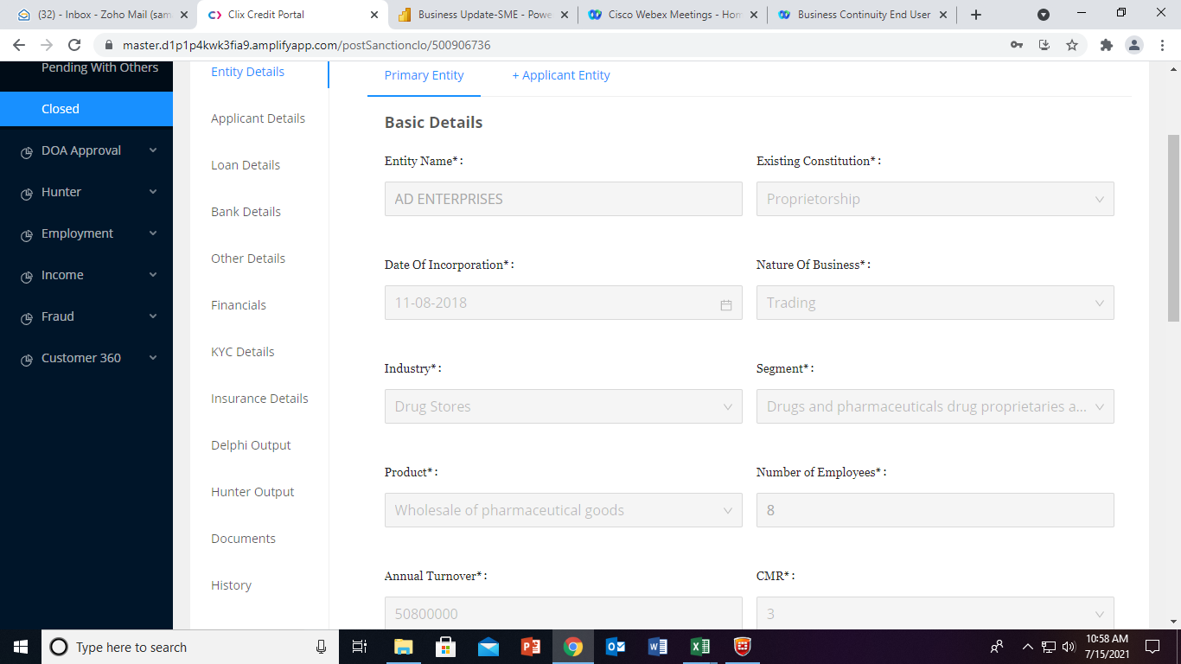

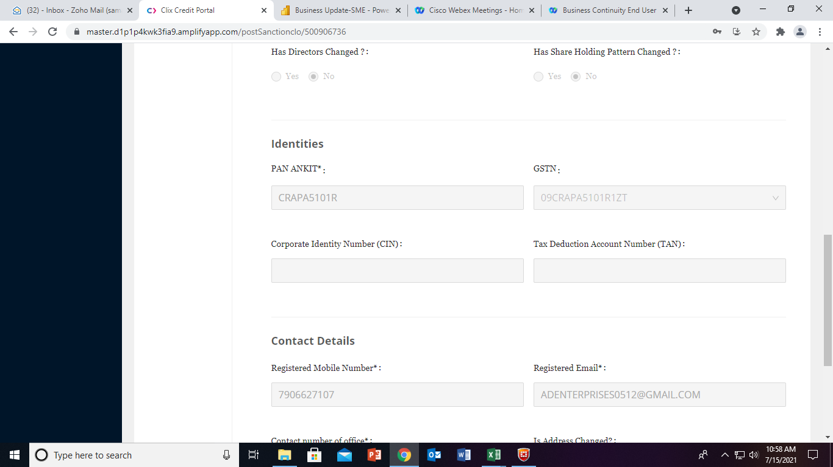

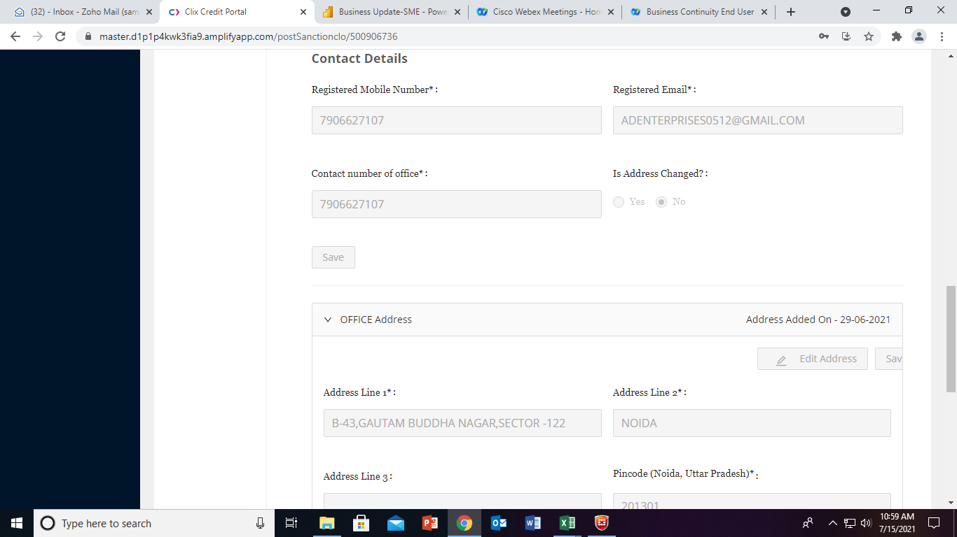

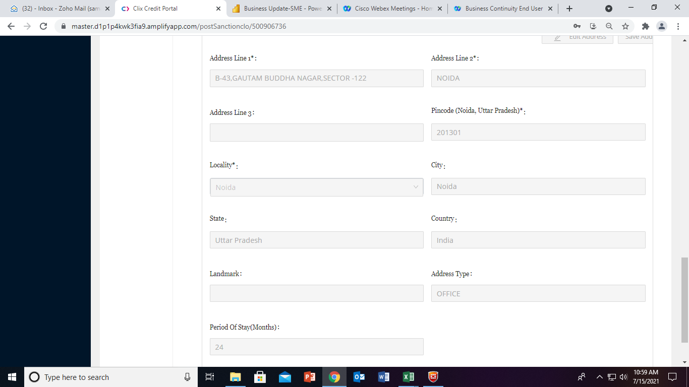

Co-Applicants
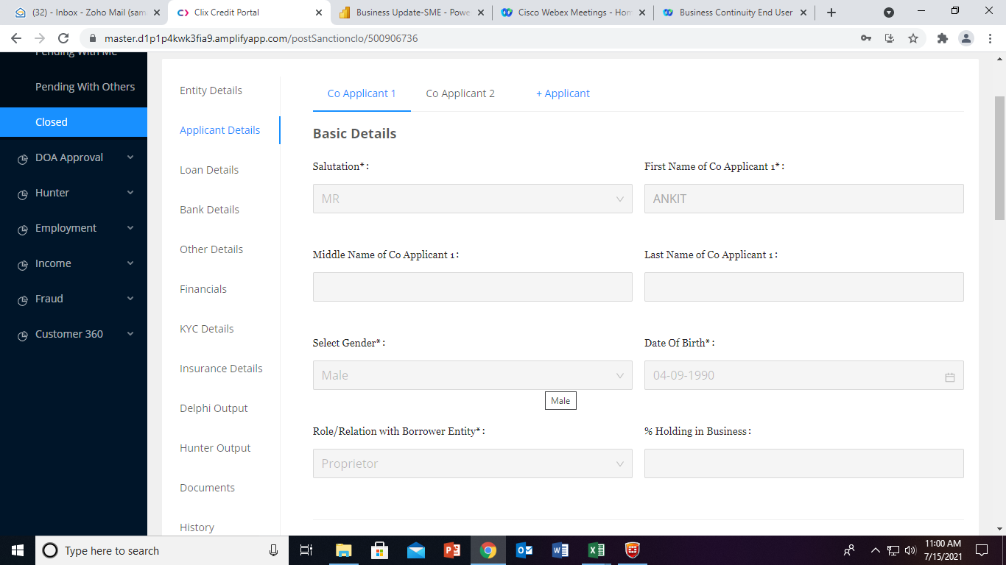

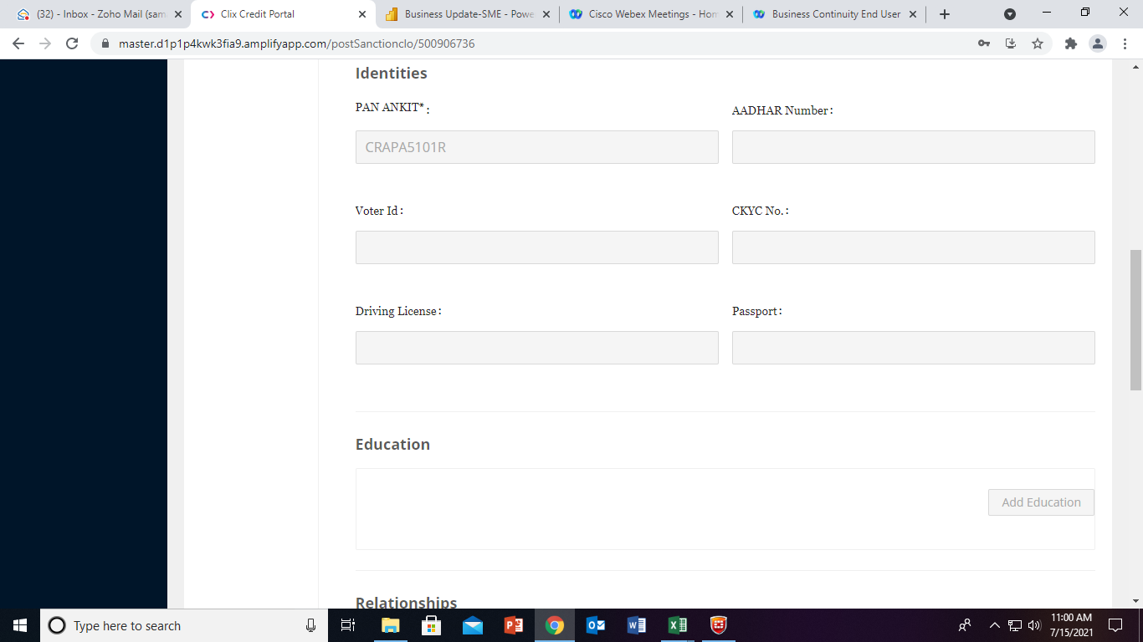

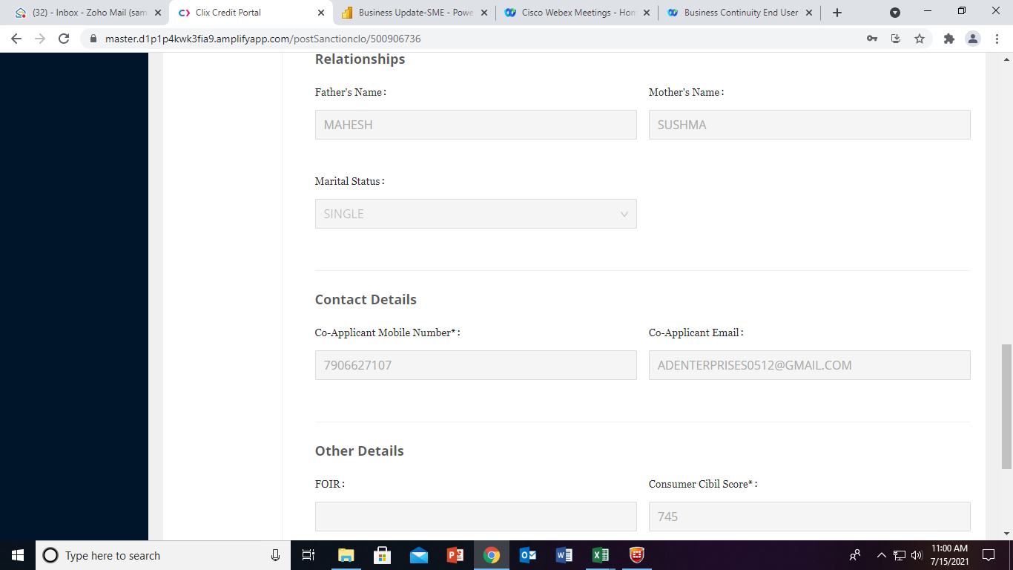

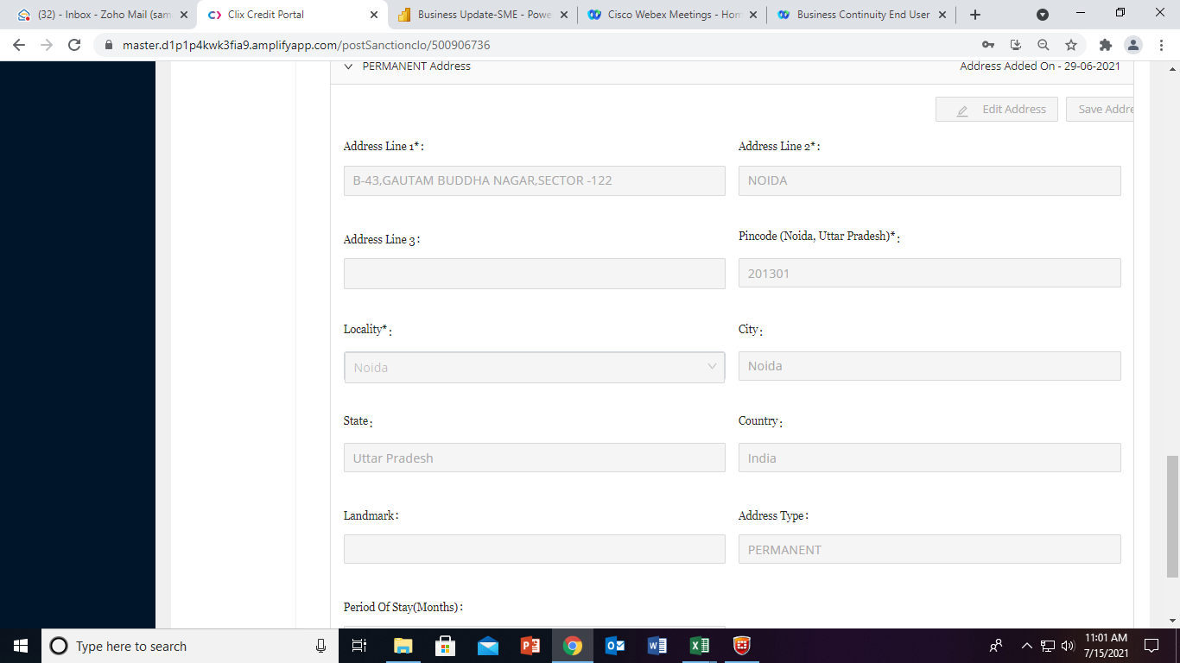



Loan Details
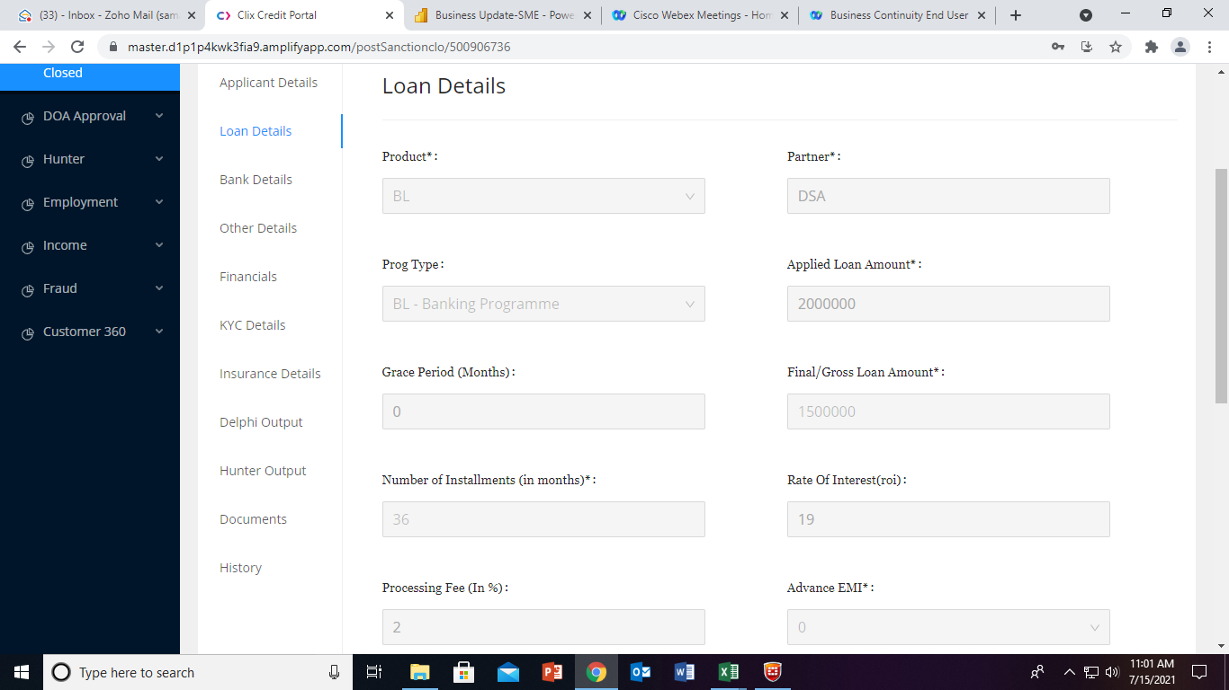

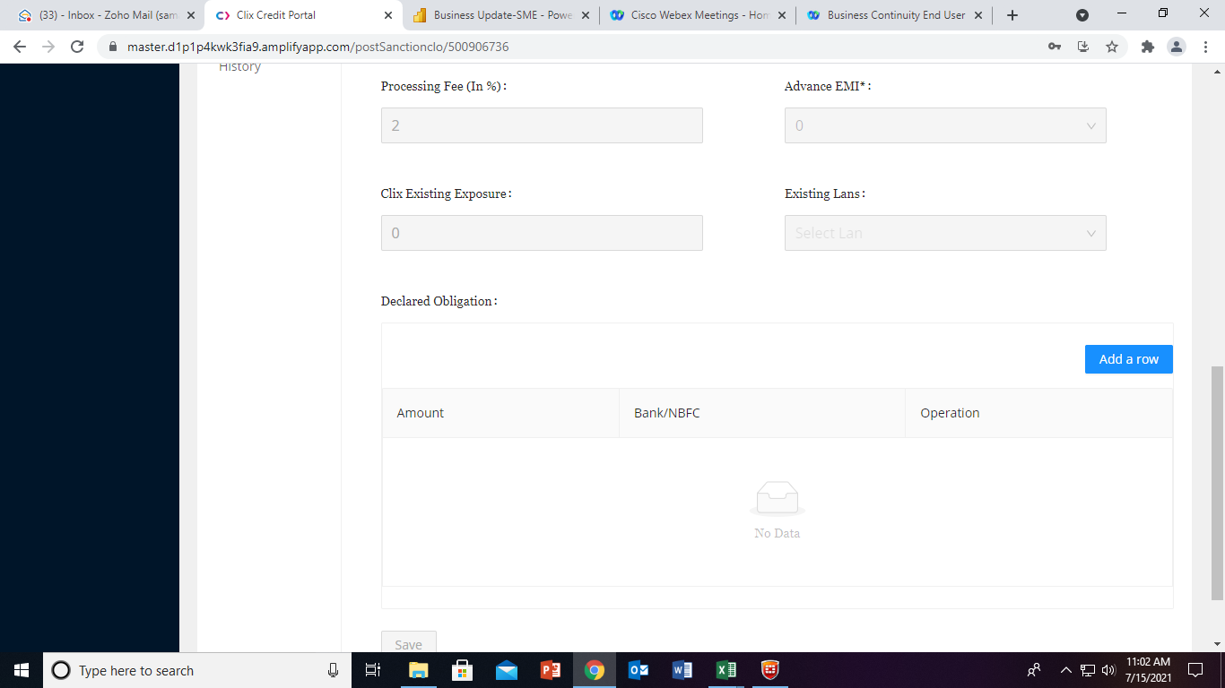

Bank Details
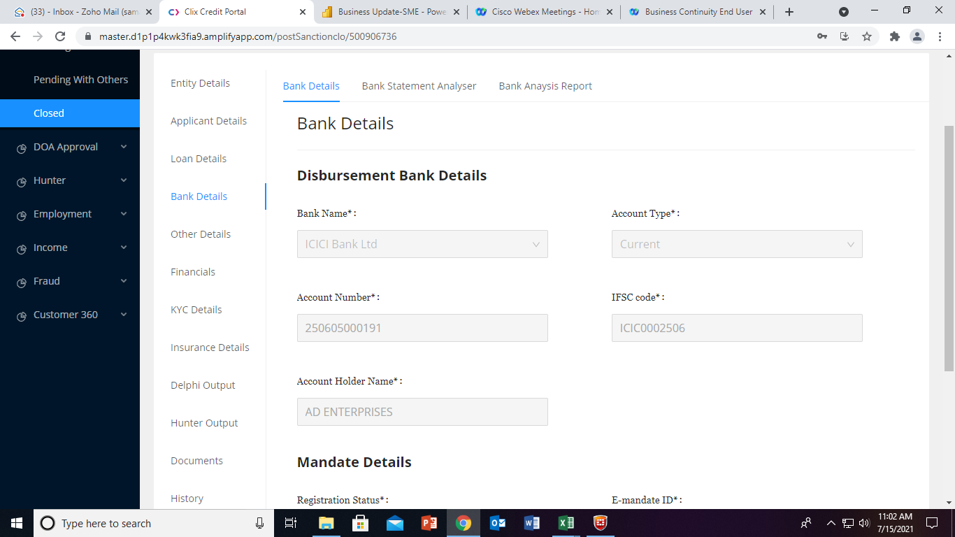

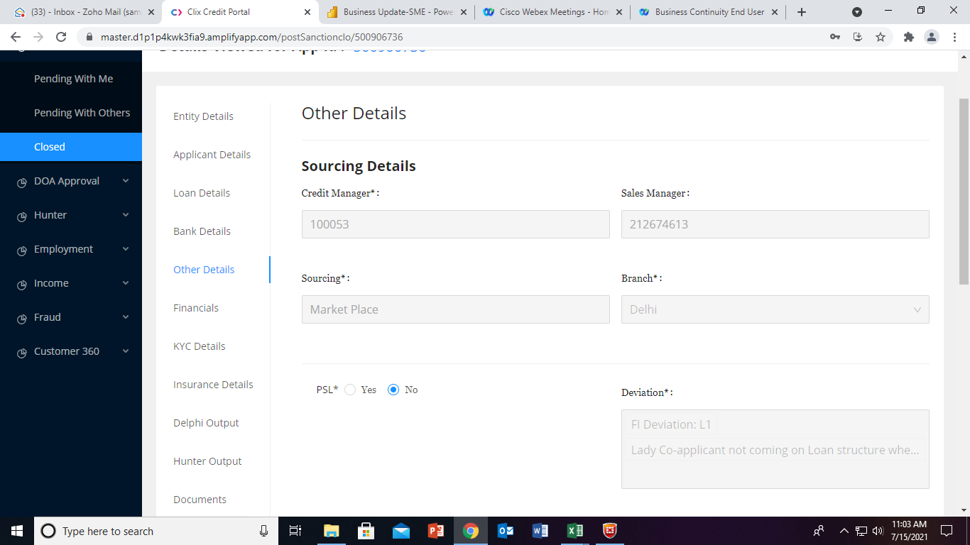

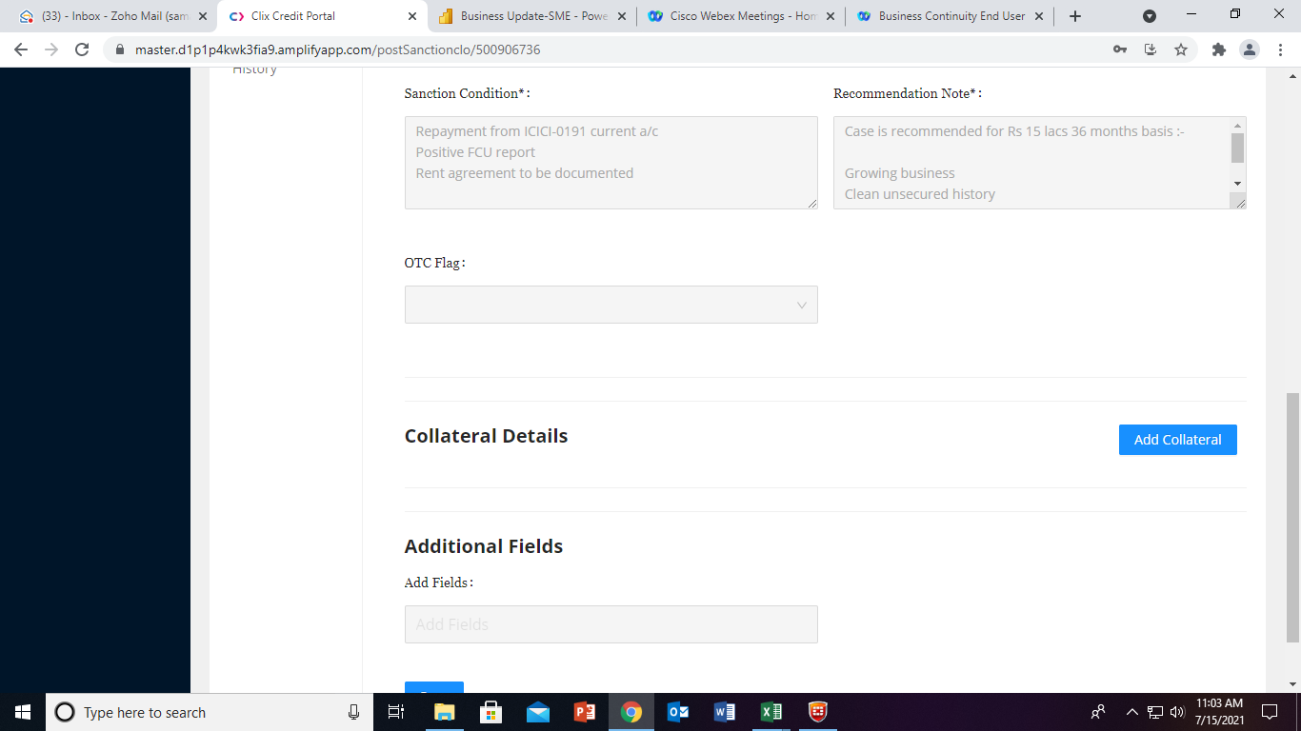

Other Details
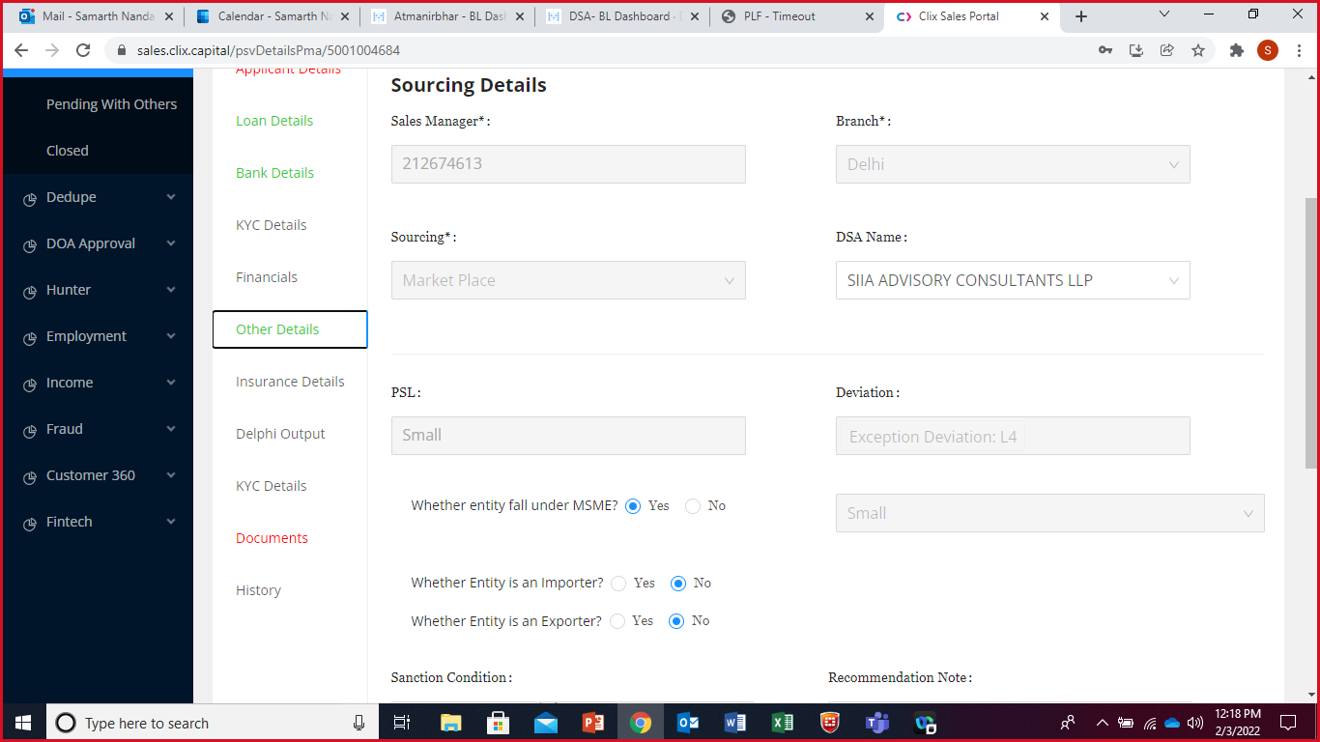

v

Insurance Details
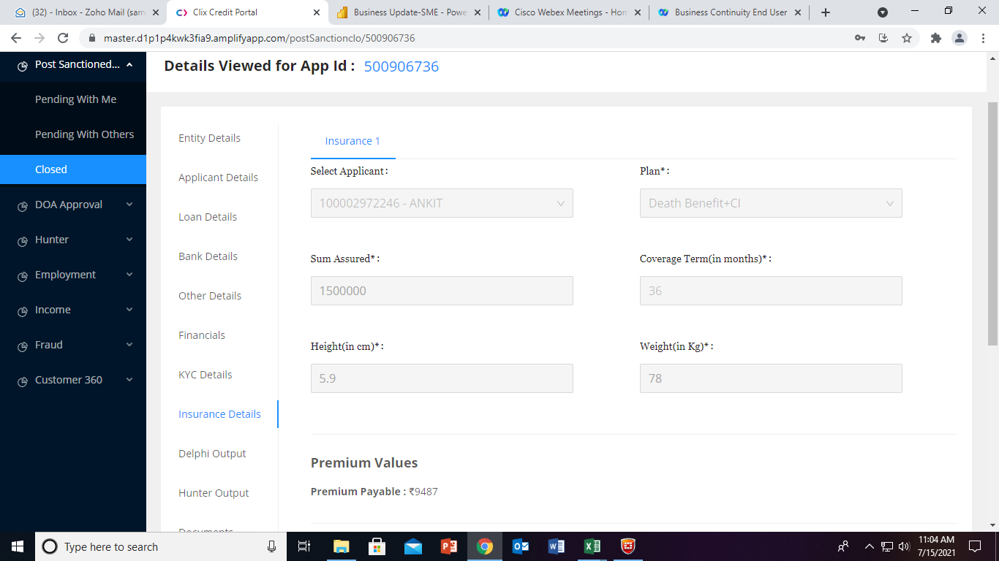

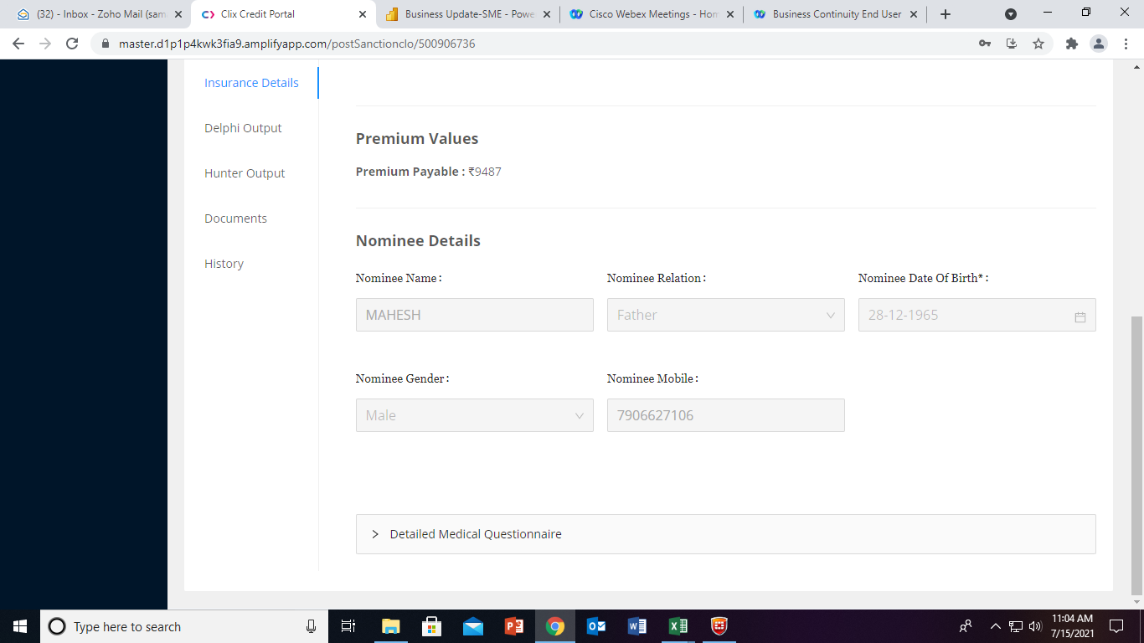

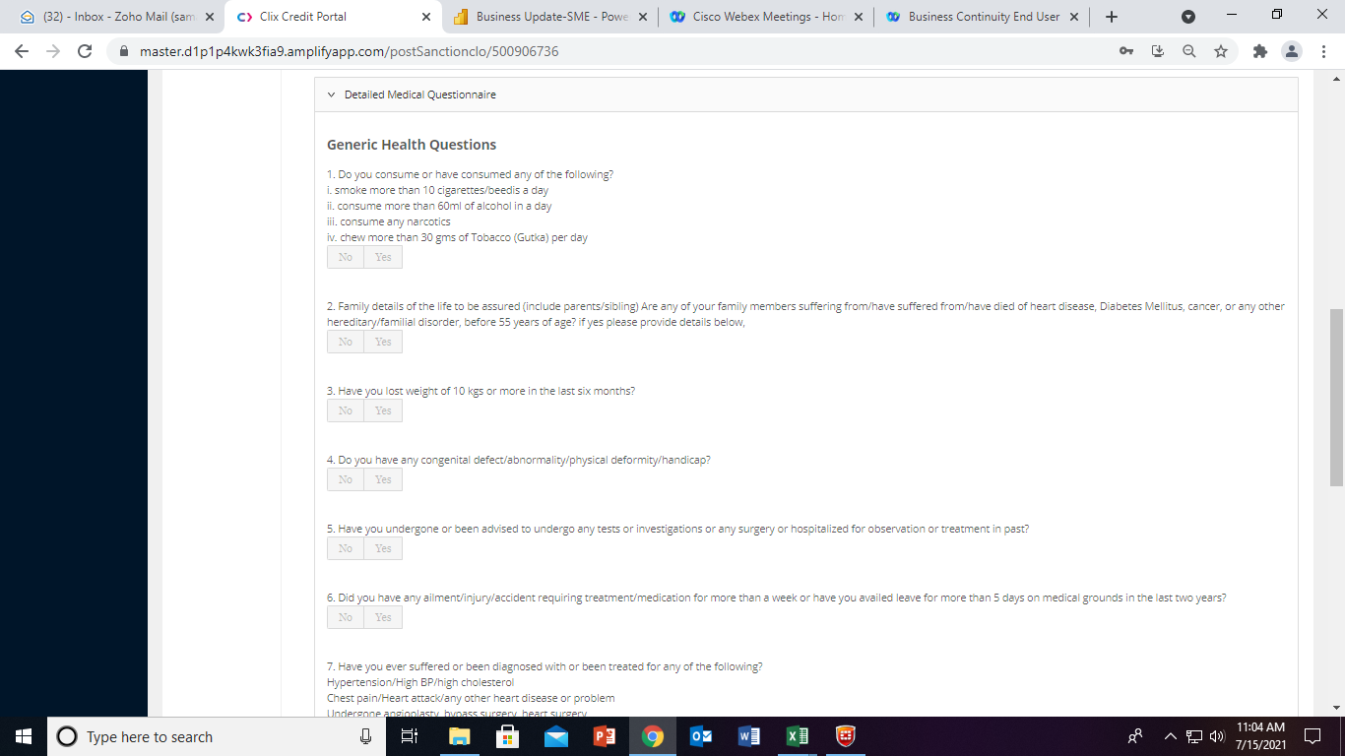

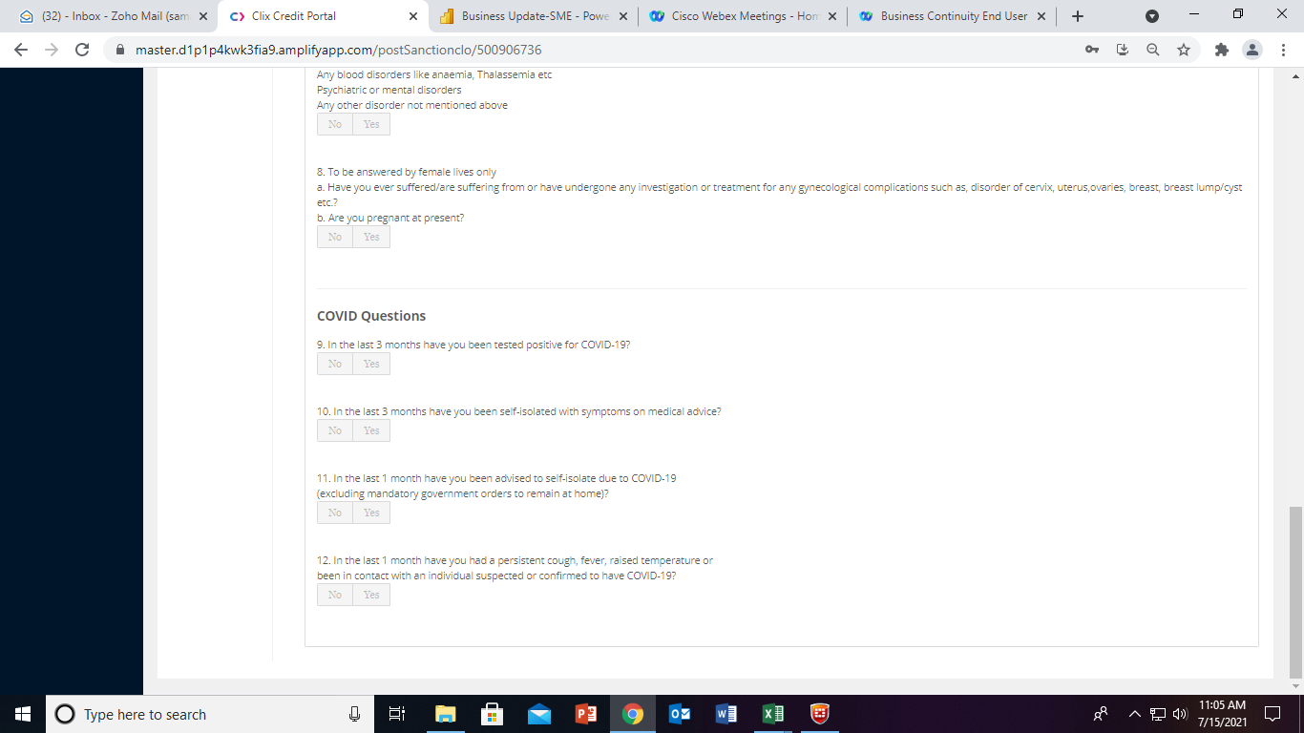

Documents
